Sheet1
Symmetrical Dovetail Calculations
 |  | Inch Pitch(D) | 3/8" | 1/2" | 9/16" | 5/8" | 3/4" | 7/8" | 1" | 1-1/8" | 1-1/4" | 1-5/16" | 1-3/8"
Width (x) | Angle(q) | Dec. Pitch-> | 0.375 | 0.5 | 0.5625 | 0.625 | 0.75 | 0.875 | 1 | 1.125 | 1.25 | 1.3125 | 1.375
0.25 | 14 | Depth (y) | 0.251
0.375 | 14 |  |  | 0.501 | 0.376 | 0.251
0.50 | 14 |  |  |  |  |  | 0.501
0.5625 | 14 |  |  |  |  |  |  | 0.501 | 0.251
0.625 | 14 |  |  |  |  |  |  | 0.752 | 0.501 | 0.251
0.75 | 14 |  |  |  |  |  |  |  | 1.003 | 0.752 | 0.501 | 0.376 | 0.251
0.25 | 7 |  | 0.509
0.375 | 7 |  |  |  |  | 0.509
0.5 | 7 |  |  |  |  |  |  | 0.509
0.5625 | 7 |  |  |  |  |  |  |  | 0.509
0.625 | 7 |  |  |  |  |  |  |  |  | 0.509
0.75 | 7 |  |  |  |  |  |  |  |  |  | 1.018 | 0.764 | 0.509

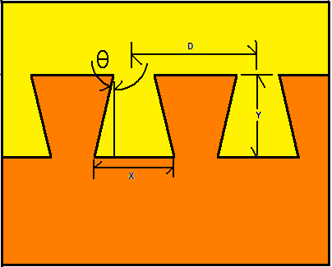
 |  |  |  |  |  |  |  |  |  | Notes: Basic Eq = Spacing (D) = 2(X-tanqy)
 |  |  |  |  |  |  |  |  |  | All reasonable values were left in table

